Sheet1
HOMESTYLE FIRST STOCK
NO | ITEM NO | PICTURE | PRICE
1 | RL9250-A |  | 600,000/=
2 | RL9250-C |  | 650,000/=
3 | RT9291 |  | 400,000/=
4 | RT8037-A-BK | 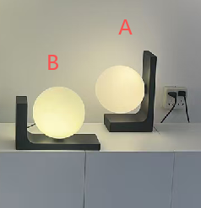 | 250,000/=
5 | RT8037-B-BK |  | 250,000/=
6 | RL9142 |  | 800,000/=
7 | RL9253-GD |  | 350,000/=
8 | RL9253-BK |  | 350,000/=
9 | RT9270-S |  | 350,000/=
10 | RT9270-M |  | 450,000/=
11 | RL9270 |  | 650,000/=
12 | RT8010-S |  | 300,000/=
13 | RT9279 |  | 400,000/=
14 | RL9279 |  | 550,000/=
15 | RL9180 |  | 350,000/=
16 | RL9091 |  | 600,000/=
17 | RT9311 |  | 250,000/=
18 | RL9311 |  | 400,000/=
19 | RT8033-BK |  | 300,000/=
20 | RT8033-WH |  | 300,000/=
21 | RT8040 |  | 400,000/=
22 | RT8041 |  | 450,000/=
23 | RT9272-A |  | 350,000/=
24 | RT9272-B |  | 400,000/=
25 | RT9272-C |  | 450,000/=
26 | RT8039-GD | 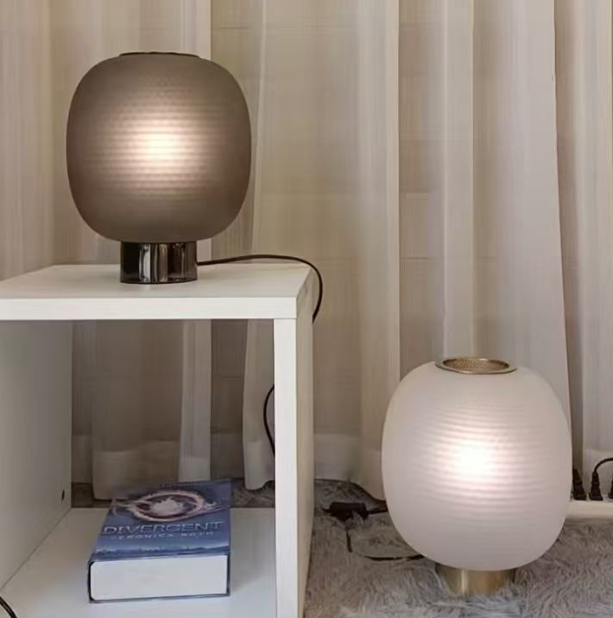 | 500,000/=
27 | RT8039-BK |  | 500,000/=
28 | RT8038-A |  | 500,000/=
29 | RT8038-B |  | 500,000/=
30 | RT8012-S |  | 500,000/=
31 | RT8028 |  | 550,000/=
32 | RT8005-S-BK | 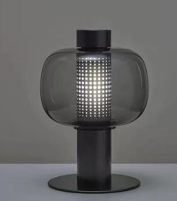 | 450,000/=
33 | RT8005-S-BN |  | 450,000/=
34 | RL9257 |  | 300,000/=
35 | RT9257 |  | 200,000/=
36 | RT9242 |  | 200,000/=

